Introduction
Position | DT Probiotics Data Champion | Task1: Creating a view
Required mindset | Deep-thinking, joy of learning | You are asked to create a view to identify prospect companies
 |  | You are given background information to understand the view
DT Areas of Work | Behavioral Intelligence, Execution, BizTech Acumen, Values driven decision making, Learnability
 |  | Task2: Executing the automation
 |  | You shall scrape data and bring it into the view (of Task1)
 |  | You can shall automate the identification of companies
 |  | by using formulae and conditional formatting

 |  | Why these tasks
About DT Data Champion Role | Blend of business analytics, data science and data engineering. Solves real world problems, gets buyin of cross functional teams, takes ownership of the outcome | If you're hired as a Data Champion, you would be looking at a lot of real world problems, you'd have to design and implement solutions. Task1 evaluates your problem solving capabilities while Task2 evaluates your technical execution of the solution

 |  | If hired, what would you be taught
DeepTech Mindset | Ability to switch between abstract and concrete ideas, to spot core insights, to extrrapolate textual ideas to real world situations | You'd get to learn real world problem solving, working with large data sets using GSheets/Excel, Pandas, Machine Learning, LLM Training

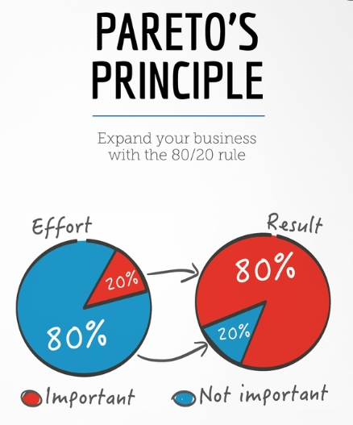

 |  | The tasks are quite easy, provided you follow the Pareto's law: spend 80% of the time reading and understanding, 20% time executing the task

Sample View
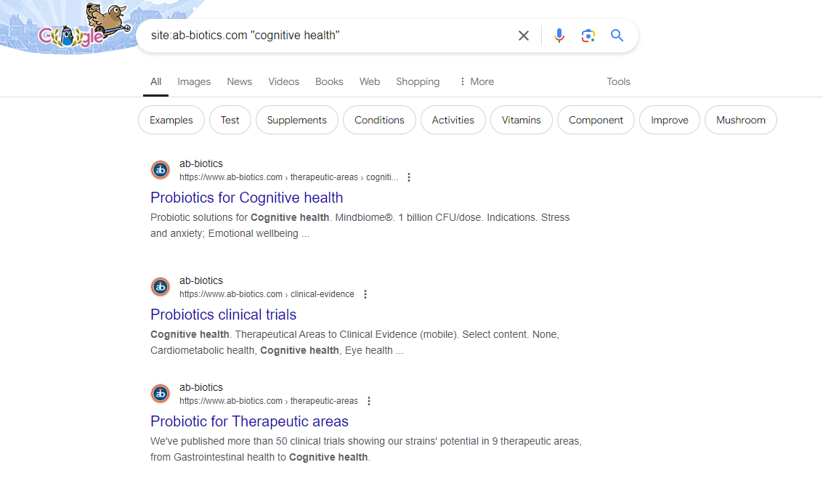
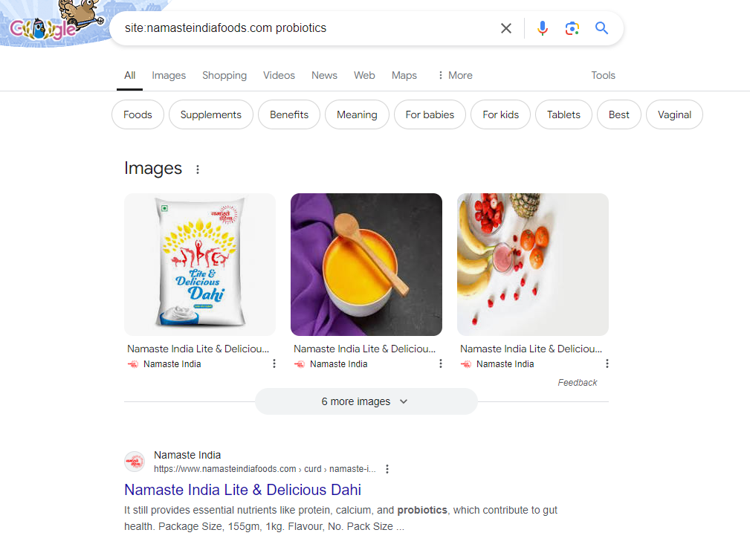
 | Company | Website | Relevant | Category | Manufacturer | Brand | Distributor | F&B | Probiotics | Fortification | Gut Health | Womens Health | Cognitive Health
1 | Namaste India | https://www.namasteindiafoods.com/milk.html | Yes | F&B | -- | -- | -- | Yes | Yes | Yes | No | No | No
2 | AB Biotics | https://www.ab-biotics.com/ | Yes | Bulk (Distributor) | No | No | Yes | No | Yes | Yes | Yes | Yes | Yes
3 | Aliga Microalgae Company | https://www.aliga.dk/ | No | Bot Relevant | Yes | No | No | No | No | No | No | No | No
4 | Zinereo Pharma | https://www.zinereopharma.com/en/ | Yes | Bulk (Manufacturer) | Yes | No | No | No | Yes | No | Yes | Yes | No
5 | Nutravends | https://nutravends.com/ | Yes | Bulk (Manufacturer) | Yes | No | Yes | No | Yes | No | Yes | No | No

 | Note
 | In Task1, you can manually get the data from their website. You could do it for 5 companies, it will suffice. However, we expect you to be creative and to find new data that you can get from the website. We included the columns Manufacturer, Brand, Distributor, F&B, Health segments. You can design your solution differently if you wish to. We expect your design to show us how you solve problems
 | Pls don't stick to this format- you can be creative!

